yang ini juga buatkan tabel lat
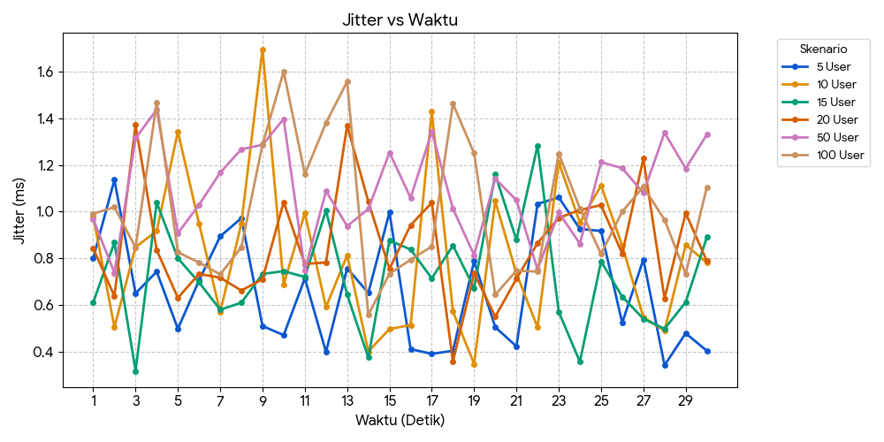
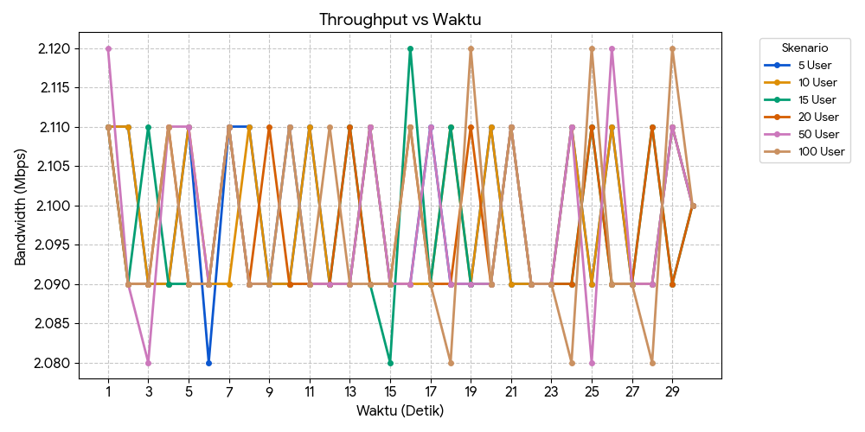
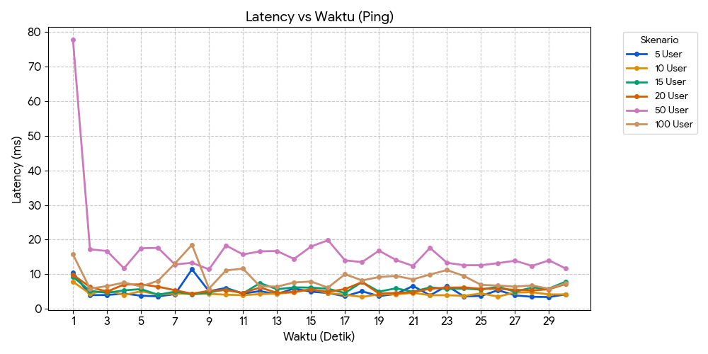
Latenccy |  |  |  |  |  |  | Transfer data |  |  |  |  |  |  | Bw |  |  |  |  |  |  | Jittter
Detik | 5 User | 10 User | 15 User | 20 User | 50 User | 100 User | Detik | 5 User | 10 User | 15 User | 20 User | 50 User | 100 User | Detik | 5 User | 10 User | 15 User | 20 User | 50 User | 100 User | Detik | 5 User | 10 User | 15 User | 20 User | 50 User | 100 User
1 | 10.50 ms | 7.82 ms | 9.22 ms | 9.83 ms | 77.70 ms | 15.70 ms | 1 | 257 KBytes | 257 KBytes | 257 KBytes | 257 KBytes | 258 KBytes | 257 KBytes | 1 | 2.11 | 2.11 | 2.11 | 2.11 | 2.12 | 2.11 | 1 | 0.801 ms | 0.979 ms | 0.611 ms | 0.843 ms | 0.968 ms | 0.991 ms
2 | 3.95 ms | 4.36 ms | 5.21 ms | 6.30 ms | 17.20 ms | 5.83 ms | 2 | 257 KBytes | 257 KBytes | 256 KBytes | 256 KBytes | 256 KBytes | 256 KBytes | 2 | 2.11 | 2.11 | 2.09 | 2.09 | 2.09 | 2.09 | 2 | 1.136 ms | 0.505 ms | 0.868 ms | 0.638 ms | 0.738 ms | 1.019 ms
3 | 3.99 ms | 5.39 ms | 4.61 ms | 4.97 ms | 16.70 ms | 6.57 ms | 3 | 256 KBytes | 256 KBytes | 257 KBytes | 256 KBytes | 254 KBytes | 256 KBytes | 3 | 2.09 | 2.09 | 2.11 | 2.09 | 2.08 | 2.09 | 3 | 0.650 ms | 0.848 ms | 0.318 ms | 1.371 ms | 1.314 ms | 0.846 ms
4 | 4.40 ms | 3.97 ms | 5.33 ms | 7.01 ms | 11.70 ms | 7.57 ms | 4 | 256 KBytes | 256 KBytes | 256 KBytes | 257 KBytes | 257 KBytes | 257 KBytes | 4 | 2.09 | 2.09 | 2.09 | 2.11 | 2.11 | 2.11 | 4 | 0.743 ms | 0.917 ms | 1.039 ms | 0.835 ms | 1.437 ms | 1.468 ms
5 | 3.79 ms | 5.10 ms | 5.70 ms | 7.07 ms | 17.50 ms | 6.47 ms | 5 | 257 KBytes | 257 KBytes | 256 KBytes | 256 KBytes | 257 KBytes | 256 KBytes | 5 | 2.11 | 2.11 | 2.09 | 2.09 | 2.11 | 2.09 | 5 | 0.498 ms | 1.343 ms | 0.800 ms | 0.631 ms | 0.908 ms | 0.826 ms
6 | 3.61 ms | 4.09 ms | 4.07 ms | 6.38 ms | 17.60 ms | 8.08 ms | 6 | 254 KBytes | 256 KBytes | 256 KBytes | 256 KBytes | 256 KBytes | 256 KBytes | 6 | 2.08 | 2.09 | 2.09 | 2.09 | 2.09 | 2.09 | 6 | 0.705 ms | 0.949 ms | 0.697 ms | 0.733 ms | 1.029 ms | 0.782 ms
7 | 4.23 ms | 4.40 ms | 4.95 ms | 5.38 ms | 12.80 ms | 13.10 ms | 7 | 257 KBytes | 256 KBytes | 257 KBytes | 257 KBytes | 257 KBytes | 257 KBytes | 7 | 2.11 | 2.09 | 2.11 | 2.11 | 2.11 | 2.11 | 7 | 0.894 ms | 0.570 ms | 0.580 ms | 0.717 ms | 1.167 ms | 0.731 ms
8 | 11.40 ms | 4.31 ms | 4.20 ms | 4.37 ms | 13.30 ms | 18.50 ms | 8 | 257 KBytes | 257 KBytes | 256 KBytes | 256 KBytes | 256 KBytes | 256 KBytes | 8 | 2.11 | 2.11 | 2.09 | 2.09 | 2.09 | 2.09 | 8 | 0.972 ms | 0.949 ms | 0.610 ms | 0.662 ms | 1.267 ms | 0.848 ms
9 | 5.09 ms | 4.33 ms | 4.71 ms | 5.19 ms | 11.40 ms | 5.84 ms | 9 | 256 KBytes | 256 KBytes | 256 KBytes | 257 KBytes | 256 KBytes | 256 KBytes | 9 | 2.09 | 2.09 | 2.09 | 2.11 | 2.09 | 2.09 | 9 | 0.510 ms | 1.696 ms | 0.733 ms | 0.711 ms | 1.286 ms | 1.288 ms
10 | 6.03 ms | 4.08 ms | 5.66 ms | 5.40 ms | 18.30 ms | 11.10 ms | 10 | 256 KBytes | 256 KBytes | 257 KBytes | 256 KBytes | 257 KBytes | 257 KBytes | 10 | 2.09 | 2.09 | 2.11 | 2.09 | 2.11 | 2.11 | 10 | 0.471 ms | 0.687 ms | 0.745 ms | 1.041 ms | 1.397 ms | 1.600 ms
11 | 4.43 ms | 3.93 ms | 4.46 ms | 4.59 ms | 15.70 ms | 11.60 ms | 11 | 257 KBytes | 257 KBytes | 256 KBytes | 256 KBytes | 256 KBytes | 256 KBytes | 11 | 2.11 | 2.11 | 2.09 | 2.09 | 2.09 | 2.09 | 11 | 0.714 ms | 0.994 ms | 0.720 ms | 0.776 ms | 0.749 ms | 1.161 ms
12 | 5.10 ms | 4.25 ms | 7.43 ms | 6.15 ms | 16.60 ms | 6.50 ms | 12 | 256 KBytes | 256 KBytes | 256 KBytes | 256 KBytes | 256 KBytes | 257 KBytes | 12 | 2.09 | 2.09 | 2.09 | 2.09 | 2.09 | 2.11 | 12 | 0.399 ms | 0.591 ms | 1.005 ms | 0.782 ms | 1.088 ms | 1.380 ms
13 | 4.25 ms | 4.40 ms | 5.67 ms | 4.64 ms | 16.70 ms | 6.41 ms | 13 | 256 KBytes | 256 KBytes | 257 KBytes | 257 KBytes | 256 KBytes | 256 KBytes | 13 | 2.09 | 2.09 | 2.11 | 2.11 | 2.09 | 2.09 | 13 | 0.757 ms | 0.813 ms | 0.644 ms | 1.369 ms | 0.938 ms | 1.557 ms
14 | 5.88 ms | 4.78 ms | 6.19 ms | 4.90 ms | 14.40 ms | 7.60 ms | 14 | 257 KBytes | 257 KBytes | 256 KBytes | 256 KBytes | 257 KBytes | 256 KBytes | 14 | 2.11 | 2.11 | 2.09 | 2.09 | 2.11 | 2.09 | 14 | 0.652 ms | 0.401 ms | 0.375 ms | 1.043 ms | 1.011 ms | 0.558 ms
15 | 4.96 ms | 5.74 ms | 6.13 ms | 5.55 ms | 18.00 ms | 7.89 ms | 15 | 256 KBytes | 256 KBytes | 254 KBytes | 256 KBytes | 256 KBytes | 256 KBytes | 15 | 2.09 | 2.09 | 2.08 | 2.09 | 2.09 | 2.09 | 15 | 0.997 ms | 0.497 ms | 0.876 ms | 0.755 ms | 1.253 ms | 0.734 ms
16 | 4.57 ms | 4.55 ms | 5.79 ms | 4.95 ms | 19.80 ms | 6.14 ms | 16 | 256 KBytes | 256 KBytes | 258 KBytes | 257 KBytes | 256 KBytes | 257 KBytes | 16 | 2.09 | 2.09 | 2.12 | 2.11 | 2.09 | 2.11 | 16 | 0.411 ms | 0.514 ms | 0.838 ms | 0.942 ms | 1.059 ms | 0.794 ms
17 | 3.63 ms | 4.09 ms | 4.58 ms | 5.69 ms | 14.00 ms | 10.00 ms | 17 | 257 KBytes | 256 KBytes | 256 KBytes | 256 KBytes | 257 KBytes | 256 KBytes | 17 | 2.11 | 2.09 | 2.09 | 2.09 | 2.11 | 2.09 | 17 | 0.391 ms | 1.428 ms | 0.714 ms | 1.038 ms | 1.342 ms | 0.851 ms
18 | 5.07 ms | 3.44 ms | 7.75 ms | 7.72 ms | 13.50 ms | 8.20 ms | 18 | 256 KBytes | 257 KBytes | 257 KBytes | 256 KBytes | 256 KBytes | 254 KBytes | 18 | 2.09 | 2.11 | 2.11 | 2.09 | 2.09 | 2.08 | 18 | 0.404 ms | 0.572 ms | 0.855 ms | 0.358 ms | 1.013 ms | 1.462 ms
19 | 3.68 ms | 4.20 ms | 4.97 ms | 4.41 ms | 16.80 ms | 9.18 ms | 19 | 256 KBytes | 256 KBytes | 256 KBytes | 257 KBytes | 256 KBytes | 258 KBytes | 19 | 2.09 | 2.09 | 2.09 | 2.11 | 2.09 | 2.12 | 19 | 0.788 ms | 0.348 ms | 0.673 ms | 0.737 ms | 0.814 ms | 1.250 ms
20 | 4.30 ms | 4.16 ms | 5.92 ms | 4.59 ms | 14.10 ms | 9.51 ms | 20 | 257 KBytes | 257 KBytes | 256 KBytes | 256 KBytes | 256 KBytes | 256 KBytes | 20 | 2.11 | 2.11 | 2.09 | 2.09 | 2.09 | 2.09 | 20 | 0.505 ms | 1.045 ms | 1.159 ms | 0.550 ms | 1.141 ms | 0.644 ms
21 | 6.60 ms | 4.62 ms | 4.92 ms | 4.78 ms | 12.40 ms | 8.51 ms | 21 | 256 KBytes | 256 KBytes | 257 KBytes | 257 KBytes | 257 KBytes | 257 KBytes | 21 | 2.09 | 2.09 | 2.11 | 2.11 | 2.11 | 2.11 | 21 | 0.423 ms | 0.735 ms | 0.879 ms | 0.712 ms | 1.049 ms | 0.747 ms
22 | 3.90 ms | 3.93 ms | 6.21 ms | 5.81 ms | 17.60 ms | 9.92 ms | 22 | 256 KBytes | 256 KBytes | 256 KBytes | 256 KBytes | 256 KBytes | 256 KBytes | 22 | 2.09 | 2.09 | 2.09 | 2.09 | 2.09 | 2.09 | 22 | 1.033 ms | 0.504 ms | 1.283 ms | 0.865 ms | 0.752 ms | 0.743 ms
23 | 6.61 ms | 3.93 ms | 5.72 ms | 6.12 ms | 13.30 ms | 11.20 ms | 23 | 256 KBytes | 256 KBytes | 256 KBytes | 256 KBytes | 256 KBytes | 256 KBytes | 23 | 2.09 | 2.09 | 2.09 | 2.09 | 2.09 | 2.09 | 23 | 1.061 ms | 1.211 ms | 0.571 ms | 0.973 ms | 0.996 ms | 1.249 ms
24 | 3.59 ms | 3.75 ms | 5.88 ms | 6.19 ms | 12.60 ms | 9.48 ms | 24 | 257 KBytes | 257 KBytes | 256 KBytes | 256 KBytes | 257 KBytes | 254 KBytes | 24 | 2.11 | 2.11 | 2.09 | 2.09 | 2.11 | 2.08 | 24 | 0.926 ms | 0.953 ms | 0.357 ms | 1.007 ms | 0.863 ms | 1.014 ms
25 | 3.72 ms | 4.45 ms | 5.55 ms | 5.78 ms | 12.60 ms | 6.92 ms | 25 | 256 KBytes | 256 KBytes | 257 KBytes | 257 KBytes | 254 KBytes | 258 KBytes | 25 | 2.09 | 2.09 | 2.11 | 2.11 | 2.08 | 2.12 | 25 | 0.917 ms | 1.112 ms | 0.787 ms | 1.028 ms | 1.212 ms | 0.819 ms
26 | 5.39 ms | 3.53 ms | 6.38 ms | 5.80 ms | 13.20 ms | 6.72 ms | 26 | 257 KBytes | 257 KBytes | 256 KBytes | 256 KBytes | 258 KBytes | 256 KBytes | 26 | 2.11 | 2.11 | 2.09 | 2.09 | 2.12 | 2.09 | 26 | 0.524 ms | 0.854 ms | 0.636 ms | 0.820 ms | 1.186 ms | 1.000 ms
27 | 3.88 ms | 4.70 ms | 4.96 ms | 5.49 ms | 13.90 ms | 6.41 ms | 27 | 256 KBytes | 256 KBytes | 256 KBytes | 256 KBytes | 256 KBytes | 256 KBytes | 27 | 2.09 | 2.09 | 2.09 | 2.09 | 2.09 | 2.09 | 27 | 0.795 ms | 0.548 ms | 0.541 ms | 1.227 ms | 1.080 ms | 1.106 ms
28 | 3.48 ms | 4.80 ms | 6.14 ms | 5.30 ms | 12.40 ms | 6.76 ms | 28 | 256 KBytes | 256 KBytes | 257 KBytes | 257 KBytes | 256 KBytes | 254 KBytes | 28 | 2.09 | 2.09 | 2.11 | 2.11 | 2.09 | 2.08 | 28 | 0.342 ms | 0.490 ms | 0.498 ms | 0.628 ms | 1.338 ms | 0.965 ms
29 | 3.40 ms | 4.15 ms | 5.86 ms | 5.66 ms | 14.00 ms | 5.80 ms | 29 | 257 KBytes | 257 KBytes | 256 KBytes | 256 KBytes | 257 KBytes | 258 KBytes | 29 | 2.11 | 2.11 | 2.09 | 2.09 | 2.11 | 2.12 | 29 | 0.479 ms | 0.858 ms | 0.612 ms | 0.994 ms | 1.185 ms | 0.733 ms
30 | 4.20 ms | 4.16 ms | 7.89 ms | 7.21 ms | 11.60 ms | 7.42 ms | 30 | 7.50 MBytes | 7.50 MBytes | 7.50 MBytes | 7.50 MBytes | 7.50 MBytes | 7.50 MBytes | 30 | 2.1 | 2.1 | 2.1 | 2.1 | 2.1 | 2.1 | 30 | 0.404 ms | 0.781 ms | 0.890 ms | 0.788 ms | 1.330 ms | 1.104 ms

